9
POPULATION, BIRTHS 2025

 |  |  |  | Source: Czech Statistical Office
 | Live births
 | Total | Outside marriage | Mother in age of
 |  |  | Up to 29 years | 30+
Praha | 10,946 | 4,086 | 3,124 | 7,822
Praha 1 | 186 | 84 | 43 | 143
Praha 2 | 405 | 146 | 112 | 293
Praha 3 | 694 | 269 | 178 | 516
Praha 4 | 1,113 | 443 | 335 | 778
Praha 5 | 910 | 352 | 245 | 665
Praha 6 | 934 | 330 | 202 | 732
Praha 7 | 425 | 160 | 79 | 346
Praha 8 | 979 | 360 | 294 | 685
Praha 9 | 726 | 241 | 230 | 496
Praha 10 | 976 | 378 | 257 | 719
Praha 11 | 498 | 193 | 173 | 325
Praha 12 | 481 | 172 | 173 | 308
Praha 13 | 533 | 169 | 158 | 375
Praha 14 | 406 | 177 | 134 | 272
Praha 15 | 433 | 147 | 145 | 288
Praha 16 | 186 | 85 | 49 | 137
Praha 17 | 240 | 90 | 78 | 162
Praha 18 | 300 | 99 | 90 | 210
Praha 19 | 129 | 44 | 39 | 90
Praha 20 | 105 | 39 | 35 | 70
Praha 21 | 119 | 44 | 31 | 88
Praha 22 | 168 | 64 | 44 | 124
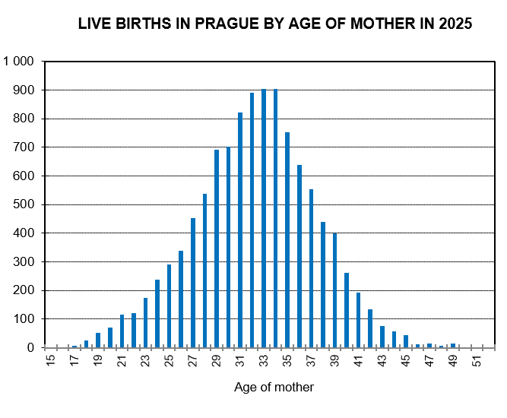

Source: Czech Statistical Office

