24
RESEARCH AND DEVELOPMENT (R&D) IN PRAGUE 2024
 |  | Source: Czech Statistical Office
 | Prague | Czechia
R&D expenditure, total (CZK mil.) | 60,173.0 | 146,877.2
by source of funding:
Business enterprise sector | 34,440.3 | 93,075.4
Government sector - national | 21,715.3 | 43,115.9
Government sector - from EU | 3,394.5 | 9,204.7
R&D expenditure as percentage of regional GDP (%) | 2.8 | 1.8
R&D personnel, total (headcount) | 46,652 | 122,683
Share of women (%) | 34.4 | 31.2
R&D personnel, total (full-time equiv.) | 33,918 | 86,948
Share of women (%) | 31.6 | 28.7
Researchers, total (full-time equiv.) | 19,907 | 49,417
Share of women (%) | 27.5 | 24.2
by sector of performance:
Business enterprise | 8,091 | 26,480
Government | 5,343 | 8,061
Higher education | 6,232 | 14,558

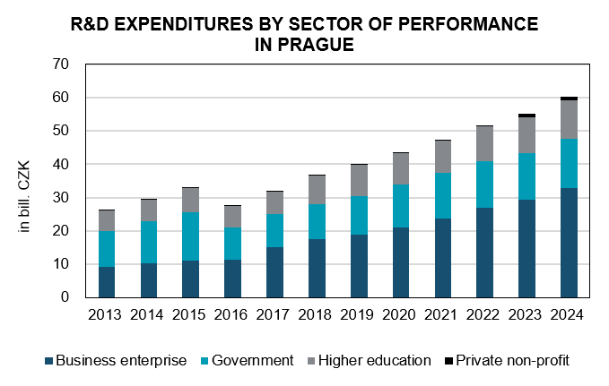

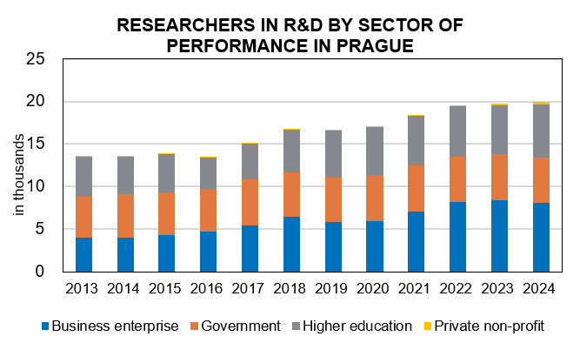

Source: Czech Statistical Office

