2
INTRODUCTORY WORD

Dear Users,
This first summary of statistical data for the Capital City of Prague* for 2025 is intended to be used by the widest possible public.

Data published in this booklet were obtained thanks to your willingness to answer questions of the Czech Statistical Office's surveys carried out in households, enterprises, or state institutions. Thank you for that. Data in an aggregated form are used by other users, yet also by those who were their originators, i.e. private enterprises, state institutions, and the public.
This year's edition again includes an infographic, which you can find in the middle of the publication. You will find graphs focused on Prague population in the same part of the publication. Graphical representation of demographic data of 3 biggest cities in Czechia (Prague, Brno, and Ostrava) is included.
Most of data is available on our web site:
http://www.csu.gov.cz/pha/capital-city-of-prague
If you need more data, or more detailed ones, please contact us.
Jana Podhorská
Head of the Information Services Unit
Regional Office of the Czech Statistical Office
in the Capital City of Prague
+420 274 052 673, +420 737 280 502
infoservispraha@csu.gov.cz

Administrative districts and city sections of Prague
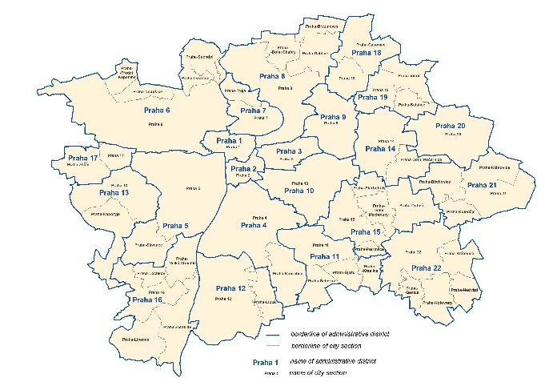

* We use "Praha" in tables.

6
POPULATION PRAGUE 2025

 |  | Source: Czech Statistical Office
 | Males | Females
Population, 31 December 2025 | 687,003 | 720,081
By age:
0-14 | 107,253 | 102,170
15-64 | 473,765 | 466,066
65+ | 105,985 | 151,845
Average age (years) | 40.5 | 43.5
Marriages | 6,025
per 1 000 inhabitants | 4.3
Divorces | 2,345
per 1 000 inhabitants | 1.7
Live births | 5,658 | 5,288
per 1 000 inhabitants | 8.3 | 7.4
Deaths | 5,914 | 6,214
per 1 000 inhabitants | 8.7 | 8.7
Natural change | -256 | -926
per 1 000 inhabitants | -0.4 | -1.3
Immigrants | 31,326 | 26,106
per 1 000 inhabitants | 46.0 | 36.4
Emigrants | 23,229 | 23,817
per 1 000 inhabitants | 34.1 | 33.2
Net migration | 8,097 | 2,289
per 1 000 inhabitants | 11.9 | 3.2
Total population change | 7,841 | 1,363
per 1 000 inhabitants | 11.5 | 1.9

1) Recalculated on 1000 mid-year population (men and women total).
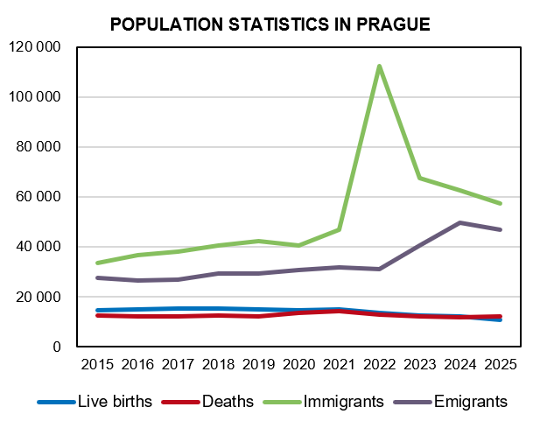

Source: Czech Statistical Office

7
AGE DISTRIBUTION OF POPULATION, 31 DECEMBER 2025
 |  |  | Source: Czech Statistical Office
 | Males | Females | Total
Total | 687,003 | 720,081 | 1,407,084
0 - 4 | 32,897 | 31,292 | 64,189
5 - 9 | 36,988 | 35,328 | 72,316
10 - 14 | 37,368 | 35,550 | 72,918
15 - 19 | 43,076 | 37,451 | 80,527
20 - 24 | 39,709 | 37,818 | 77,527
25 - 29 | 39,059 | 39,010 | 78,069
30 - 34 | 51,059 | 49,365 | 100,424
35 - 39 | 56,442 | 55,275 | 111,717
40 - 44 | 55,863 | 55,927 | 111,790
45 - 49 | 61,439 | 60,688 | 122,127
50 - 54 | 53,538 | 53,265 | 106,803
55 - 59 | 38,498 | 39,674 | 78,172
60 - 64 | 35,082 | 37,593 | 72,675
65 - 69 | 28,059 | 33,073 | 61,132
70 - 74 | 28,789 | 37,929 | 66,718
75 - 79 | 24,524 | 36,121 | 60,645
80 - 84 | 15,474 | 25,475 | 40,949
85+ | 9,139 | 19,247 | 28,386
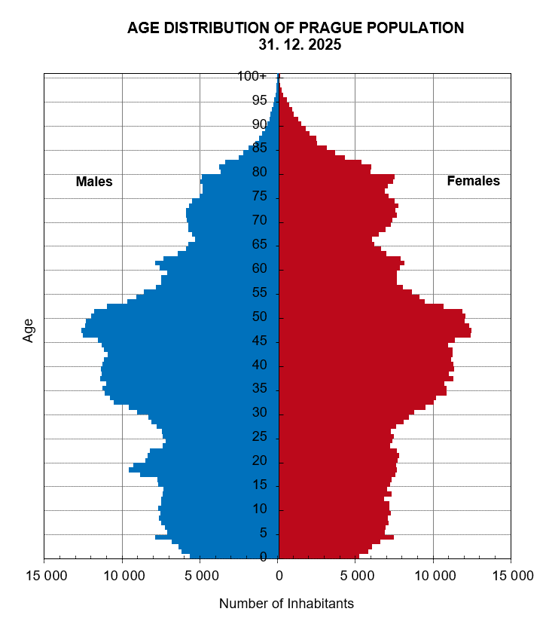

Source: Czech Statistical Office

9
POPULATION, BIRTHS 2025

 |  |  |  | Source: Czech Statistical Office
 | Live births
 | Total | Outside marriage | Mother in age of
 |  |  | Up to 29 years | 30+
Praha | 10,946 | 4,086 | 3,124 | 7,822
Praha 1 | 186 | 84 | 43 | 143
Praha 2 | 405 | 146 | 112 | 293
Praha 3 | 694 | 269 | 178 | 516
Praha 4 | 1,113 | 443 | 335 | 778
Praha 5 | 910 | 352 | 245 | 665
Praha 6 | 934 | 330 | 202 | 732
Praha 7 | 425 | 160 | 79 | 346
Praha 8 | 979 | 360 | 294 | 685
Praha 9 | 726 | 241 | 230 | 496
Praha 10 | 976 | 378 | 257 | 719
Praha 11 | 498 | 193 | 173 | 325
Praha 12 | 481 | 172 | 173 | 308
Praha 13 | 533 | 169 | 158 | 375
Praha 14 | 406 | 177 | 134 | 272
Praha 15 | 433 | 147 | 145 | 288
Praha 16 | 186 | 85 | 49 | 137
Praha 17 | 240 | 90 | 78 | 162
Praha 18 | 300 | 99 | 90 | 210
Praha 19 | 129 | 44 | 39 | 90
Praha 20 | 105 | 39 | 35 | 70
Praha 21 | 119 | 44 | 31 | 88
Praha 22 | 168 | 64 | 44 | 124
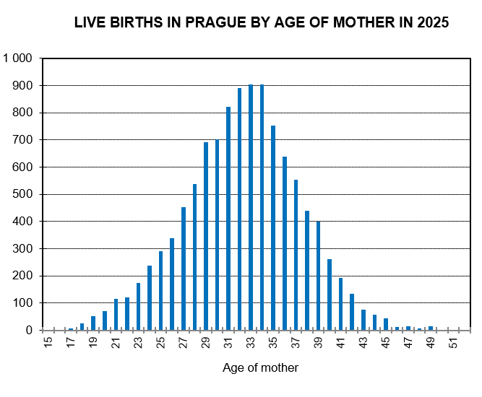

Source: Czech Statistical Office

10
POPULATION, DEATHS 2025

 |  |  |  | Source: Czech Statistical Office
 | Total | Males | Females | Infant deaths
Praha | 12,128 | 5,914 | 6,214 | 16
Praha 1 | 227 | 123 | 104 | -
Praha 2 | 376 | 191 | 185 | 1
Praha 3 | 708 | 322 | 386 | 1
Praha 4 | 1,539 | 691 | 848 | -
Praha 5 | 766 | 377 | 389 | 1
Praha 6 | 1,151 | 542 | 609 | 1
Praha 7 | 394 | 184 | 210 | -
Praha 8 | 1,262 | 634 | 628 | 3
Praha 9 | 534 | 263 | 271 | 2
Praha 10 | 1,271 | 602 | 669 | 1
Praha 11 | 909 | 480 | 429 | -
Praha 12 | 573 | 318 | 255 | 2
Praha 13 | 444 | 217 | 227 | 1
Praha 14 | 361 | 183 | 178 | 3
Praha 15 | 383 | 180 | 203 | -
Praha 16 | 242 | 124 | 118 | -
Praha 17 | 250 | 124 | 126 | -
Praha 18 | 231 | 107 | 124 | -
Praha 19 | 95 | 40 | 55 | -
Praha 20 | 145 | 72 | 73 | -
Praha 21 | 148 | 81 | 67 | -
Praha 22 | 119 | 59 | 60 | -

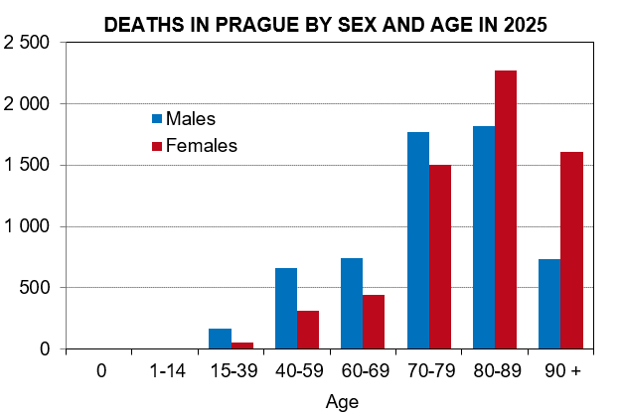

Source: Czech Statistical Office

11
POPULATION, DIVORCES 2025
 |  |  |  |  |  | Source: Czech Statistical Office
 | Divorces, total | Plaintiff female | Divorces by number of minors
 |  |  | 0 | 1 | 2 | 3+
Praha | 2,345 | 244 | 1,084 | 627 | 541 | 93
Praha 1 | 54 | - | 25 | 16 | 10 | 3
Praha 2 | 96 | 14 | 44 | 28 | 20 | 4
Praha 3 | 136 | 9 | 69 | 43 | 23 | 1
Praha 4 | 221 | 34 | 112 | 54 | 45 | 10
Praha 5 | 170 | 13 | 70 | 43 | 46 | 11
Praha 6 | 181 | 5 | 81 | 42 | 47 | 11
Praha 7 | 106 | 6 | 65 | 20 | 18 | 3
Praha 8 | 239 | 21 | 116 | 68 | 47 | 8
Praha 9 | 111 | 13 | 51 | 31 | 26 | 3
Praha 10 | 179 | 19 | 87 | 53 | 34 | 5
Praha 11 | 139 | 20 | 70 | 32 | 31 | 6
Praha 12 | 129 | 13 | 59 | 37 | 28 | 5
Praha 13 | 124 | 13 | 57 | 35 | 28 | 4
Praha 14 | 59 | 12 | 23 | 15 | 20 | 1
Praha 15 | 83 | 6 | 29 | 25 | 25 | 4
Praha 16 | 53 | 7 | 19 | 15 | 16 | 3
Praha 17 | 70 | 4 | 32 | 17 | 20 | 1
Praha 18 | 66 | 12 | 22 | 22 | 20 | 2
Praha 19 | 29 | 7 | 12 | 8 | 7 | 2
Praha 20 | 32 | 5 | 14 | 9 | 9 | -
Praha 21 | 28 | 7 | 13 | 8 | 5 | 2
Praha 22 | 40 | 4 | 14 | 6 | 16 | 4

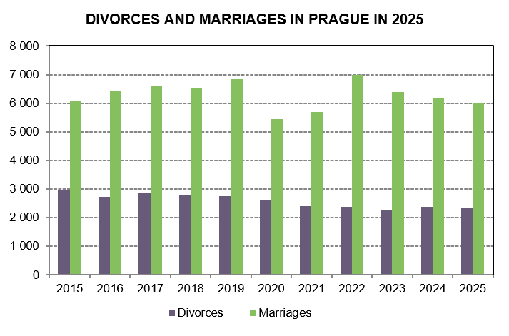

Source: Czech Statistical Office

14
EMPLOYEES WAGE STRUCTURE 2025

Including businesses with up to 10 employees, sample survey.
Source: Ministry of Finance of the CR, Ministry of Labour and Social Affairs of the CR
 |  | Preliminary data
 | Prague | Czechia
Average gross monthly wages (CZK) | 65,594 | 52,202
Males | 74,099 | 57,142
Females | 56,744 | 46,545
Components of gross earnings (%):
Basic pay | 68.12 | 67.95
Premium and bonus pays | 14.35 | 14.69
Overtime pay | 0.44 | 0.53
Other differential and extra pays | 5.81 | 5.18
Reimbursment of pay | 10.96 | 11.36
Standby duty pay | 0.32 | 0.30
Median of gross monthly wages (CZK) | 52,793 | 44,337
Males | 58,440 | 47,648
Females | 48,740 | 41,068
Average monthly gross wages: by CZ-ISCO-08 major group
Managers | 148,435 | 113,226
Professionals | 85,870 | 74,208
Technicians and associate professionals | 60,142 | 55,209
Clerical support workers | 44,702 | 41,820
Service and sales workers | 39,663 | 36,452
Skilled agricultural, forestry and fishery workers | * | 37,152
Craft and related trades workers | 44,299 | 43,658
Plant and machine operators, and assemblers | 47,770 | 42,028
Elementary occupations | 29,740 | 30,667

* Figure is unreliable.
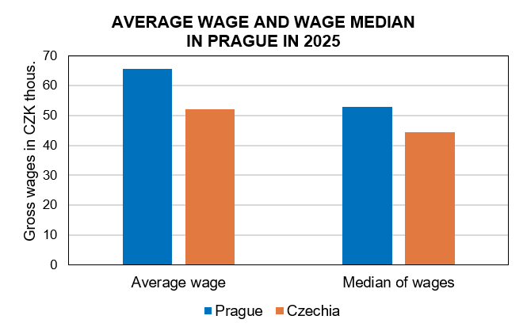

Source: Ministry of Finance of the CR, Ministry of Labour and Social Affaires in CR

18
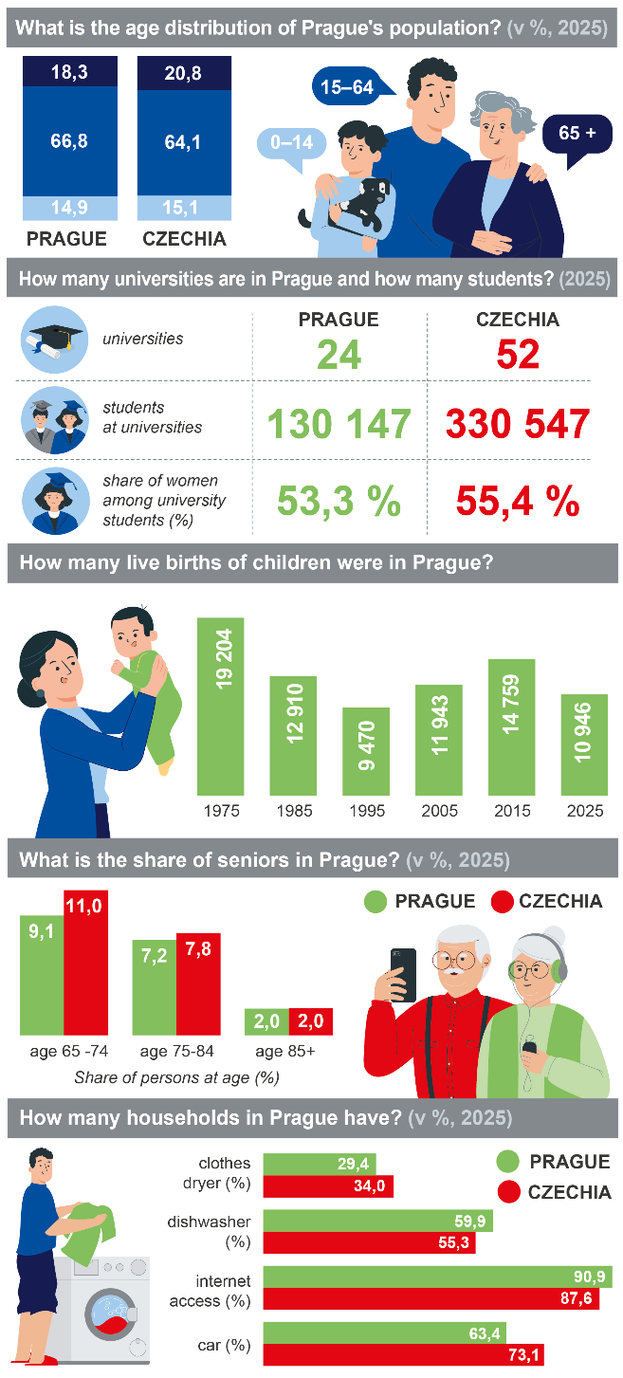

Sources: CZSO, MŠMT, ČÚZK, ČHMÚ and Eurostat

19
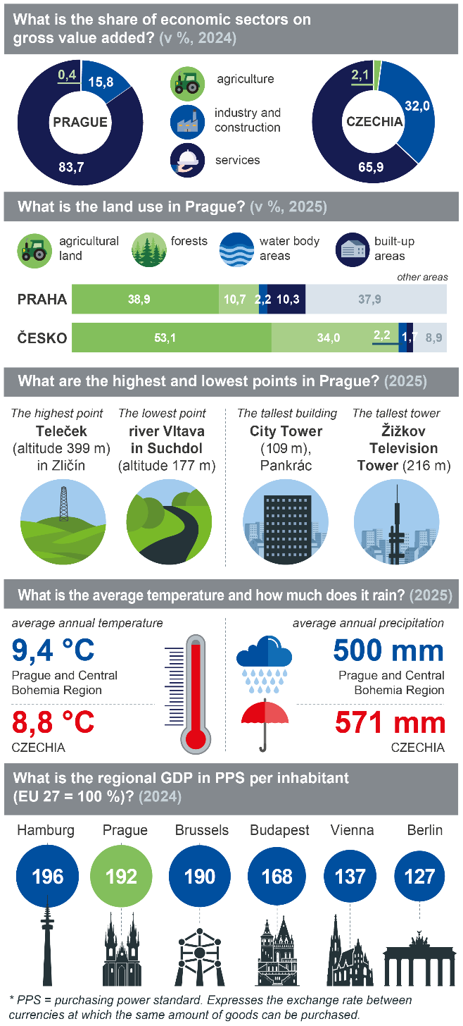

23
EDUCATION IN PRAGUE 2025/2026
 |  | Source: Ministry of Education, Youth, and Sports
 | Prague | Czechia
Nursery schools | 445 | 5,409
Classes | 2,009 | 17,513
Children | 40,809 | 347,798
Basic schools | 305 | 4,320
Classes | 5,700 | 52,482
Children | 121,333 | 1,002,916
Secondary schools | 207 | 1,328
Classes | 3,379 | 21,743
Children | 82,684 | 514,881
Conservatoires | 8 | 18
Children | 1,732 | 3,839
Higher professional schools | 35 | 153
Students | 5,796 | 22,900
Full-time studies | 4,020 | 13,931
Universities1) | 24 | 52
Faculties | 41 | 149
Students accoring to the place of study | 130,147 | 330,547
with Czech citizenship | 100,517 | 271,597
Students according to the place of permanent residence | 40,360 | 330,547
with Czech citizenship | 37,327 | 271,597

1) Public, private and state universities.

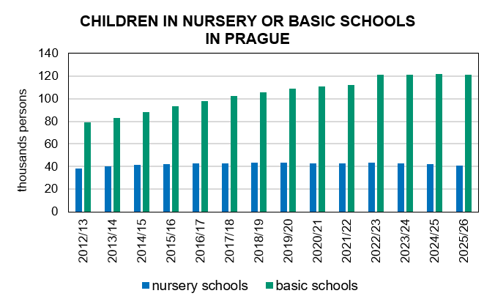

Source: Ministry of Education, Youth, and Sports

24
RESEARCH AND DEVELOPMENT (R&D) IN PRAGUE 2024
 |  | Source: Czech Statistical Office
 | Prague | Czechia
R&D expenditure, total (CZK mil.) | 60,173.0 | 146,877.2
by source of funding:
Business enterprise sector | 34,440.3 | 93,075.4
Government sector - national | 21,715.3 | 43,115.9
Government sector - from EU | 3,394.5 | 9,204.7
R&D expenditure as percentage of regional GDP (%) | 2.8 | 1.8
R&D personnel, total (headcount) | 46,652 | 122,683
Share of women (%) | 34.4 | 31.2
R&D personnel, total (full-time equiv.) | 33,918 | 86,948
Share of women (%) | 31.6 | 28.7
Researchers, total (full-time equiv.) | 19,907 | 49,417
Share of women (%) | 27.5 | 24.2
by sector of performance:
Business enterprise | 8,091 | 26,480
Government | 5,343 | 8,061
Higher education | 6,232 | 14,558

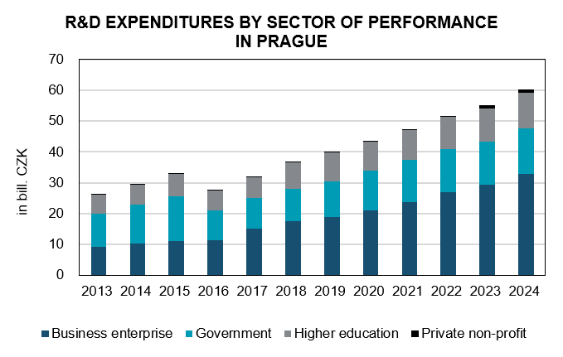

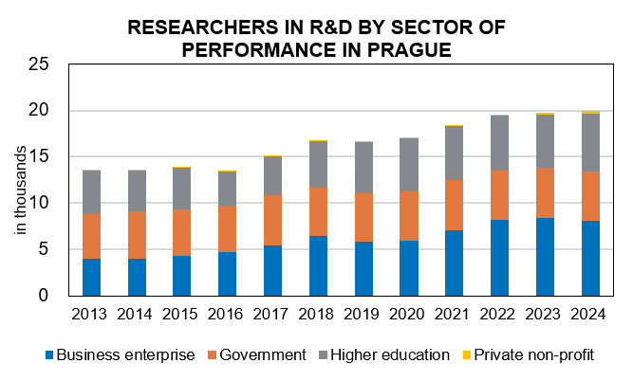

Source: Czech Statistical Office

25
BUILDING PERMITS GRANTED, APPROXIMATE VALUE OF PERMITTED CONSTRUCTIONS 2025
preliminary |  |  | Source: Czech Statistical Office
 | Prague | Czech Republic1) | Share in the CR (%)

Building permits granted, total | 2,589 | 61,613 | 4.2
Buildings, total | 2,136 | 38,231 | 5.6
Residential buildings | 1,450 | 23,014 | 6.3
New construction | 266 | 10,607 | 2.5
Modification to completed buildings | 1,184 | 12,407 | 9.5
Non-residential buildings | 686 | 15,217 | 4.5
New construction | 97 | 6,701 | 1.4
Modification to completed buildings | 589 | 8,516 | 6.9
Civil engineering works | 453 | 23,382 | 1.9

Approximate value of permitted constructions (CZK mil.) | 60,169 | 503,335 | 12.0
Buildings, total | 52,448 | 345,662 | 15.2
Residential buildings | 32,882 | 180,491 | 18.2
New construction | 26,787 | 143,175 | 18.7
Modification to completed buildings | 6,095 | 37,316 | 16.3
Non-residential buildings | 19,566 | 165,171 | 11.8
New construction | 7,138 | 93,553 | 7.6
Modification to completed buildings | 12,428 | 71,618 | 17.4
Civil engineering works | 7,721 | 157,673 | 4.9

Average value per a building permit, (CZK thousand) | 23,240 | 8,169 | 284.5

1) Incl. other permits (not broken down by territory).
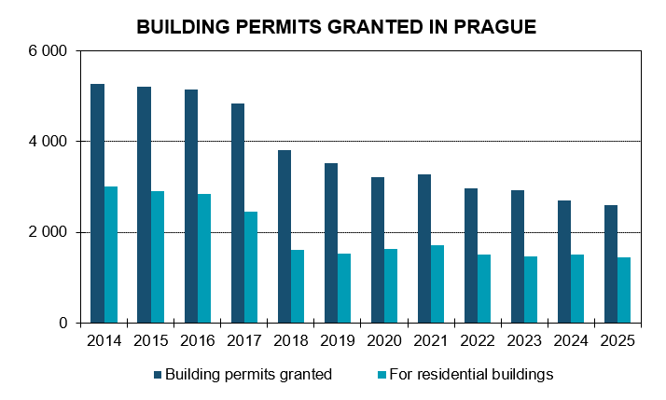

Source: Czech Statistical Office

26
HOUSING CONSTRUCTION 2025
by 22 administrative districts, preliminary data
 |  |  | Source: Czech Statistical Office
 | Dwellings by stage of construction
 | Dwellings started | Dwellings completed | Dwellings completed in new multi-dwelling buildings
Praha | 7,380 | 5,325 | 3,409
Praha 1 | 6 | 4 | -
Praha 2 | - | 71 | -
Praha 3 | 1,095 | 100 | 26
Praha 4 | 822 | 276 | 47
Praha 5 | 130 | 701 | 655
Praha 6 | 267 | 463 | 318
Praha 7 | 184 | 124 | 101
Praha 8 | 974 | 458 | 248
Praha 9 | 412 | 790 | 562
Praha 10 | 1,241 | 133 | 37
Praha 11 | 227 | 834 | 703
Praha 12 | 153 | 44 | -
Praha 13 | 455 | 345 | 305
Praha 14 | 198 | 191 | 74
Praha 15 | 298 | 328 | 131
Praha 16 | 109 | 38 | 7
Praha 17 | 27 | 48 | 32
Praha 18 | 260 | 187 | 148
Praha 19 | 228 | 63 | -
Praha 20 | 64 | 21 | -
Praha 21 | 49 | 36 | -
Praha 22 | 181 | 69 | 15

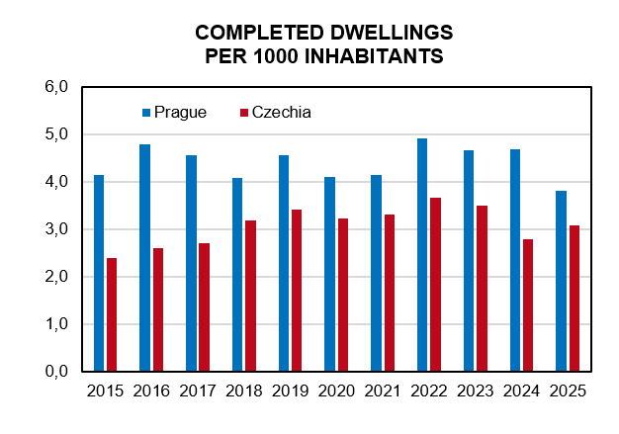

Source: Czech Statistical Office

29
TOURISM IN PRAGUE 2025
 |  |  | Source: Czech Statistical Office
 | Number of establishments | Rooms | Beds
Capacity of collective accomodation establishments | 831 | 43,892 | 95,700
Hotels ***** | 52 | 7,140 | 14,466
Hotels, motels, botels **** | 281 | 20,166 | 42,318
Hotels, motels, botels *** | 179 | 8,976 | 19,917
Hotels, motels, botels ** | 14 | 440 | 961
Hotels, motels, botels * | 3 | 59 | 211
Hotels garni ****,***,**,* | 34 | 823 | 1,772
Boarding house | 98 | 1,289 | 3,094
Tourist camp-site | 19 | 206 | 612
Hostels | 53 | 1,419 | 4,521
Other establishments | 98 | 3,374 | 7,828

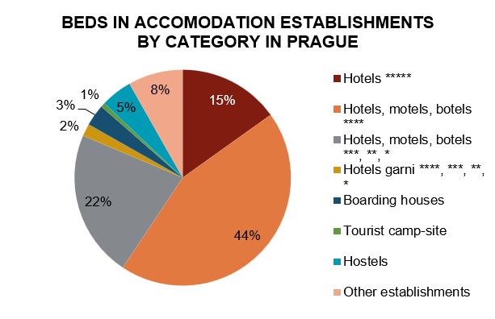

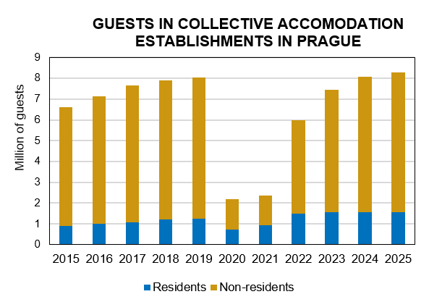

Source: Czech Statistical Office

30
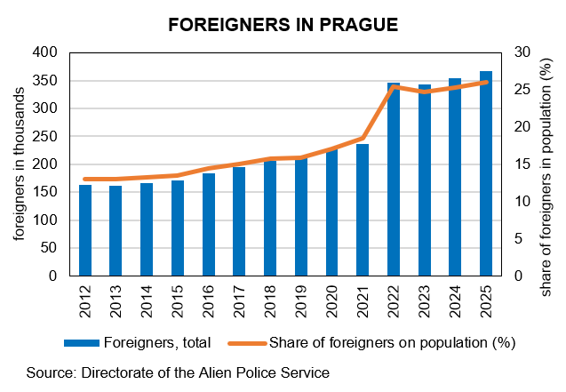
FOREIGNERS IN PRAGUE (31 DECEMBER)
Source: Directorate of the Alien Police Service
 | 2022 | 2025
Foreigners1) | 346,306 | 366,227
Males | 169,850 | 188,736
Females | 176,456 | 177,491
TOP 10 citizenships1)
Ukraine | 170,096 | 174,544
Slovakia | 31,470 | 33,459
Russian Federation | 27,355 | 23,911
Viet Nam | 15,175 | 16,287
United States | 6,484 | 7,834
China | 5,734 | 6,896
Kazakhstan | 5,818 | 6,788
India | 4,581 | 6,325
Romania | 5,619 | 6,110
Bulgaria | 5,005 | 4,965

Employed foreigners
Labour law relations of foreigners with the status of employees | 236,665 | 313,892
Foreigners holding valid trade licence | 46,540 | 62,829

1) Foreigners including persons with international protection + data for dependent territories

31
SELECTED DATA FROM BUSINESS REGISTER

as of 31.12.2025 |  | Source: Czech Statistical Office
 | Prague | Czechia
Businesses, total | 692,397 | 2,893,480
Businesses with identified activity | 436,305 | 1,780,970
by principal activity (CZ-NACE):
Agriculture, forestry and fishing | 9,354 | 94,443
Industry, total | 40,943 | 239,727
Construction | 41,368 | 223,885
Wholesale and retail trade; repair of motor vehicles and motorcycles | 63,371 | 225,573
Transportation and storage | 17,811 | 68,257
Accommodation and food service activities | 16,925 | 79,853
Information and communication | 33,512 | 75,931
Financial and insurance activities | 7,476 | 42,687
Real estate activities | 43,335 | 100,179
Professional, scientific and technical activities | 83,131 | 260,202
Administrative and support service activities | 16,968 | 54,631
Public administration and defence; compulsory social security | 234 | 11,131
Education | 10,025 | 45,651
Human health and social work activities | 6,607 | 31,983
Arts, entertainment and recreation | 12,412 | 53,170
Other service activities | 21,337 | 131,922

Births of bussineses | 39,012 | 128,083
Deaths of businesses | 21,919 | 81,337

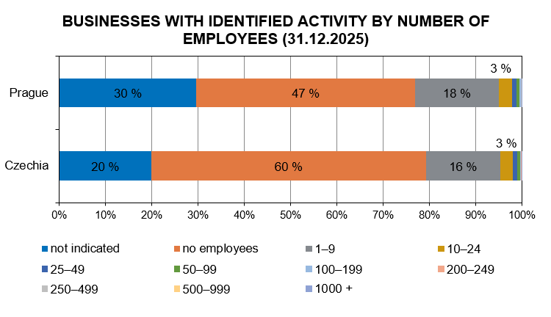

Source: Czech Statistical Office

32
ECONOMY 2024
Source: Czech Statistical Office
 | Prague | Czechia
Gross Domestic Product (GDP)
GDP in current prices (mil. CZK) | 2,175,296 | 8,058,158
GDP in current prices, CR=100 (%) | 27.0 | 100.0
GDP in current prices (mil. EUR) | 86,596 | 320,787
Gross Domestic Product, volume indices, Year 1995 = 100 (%) | 252.0 | 188.5
Gross Domestic Product, volume indices, Year 2000 = 100 (%) | 203.5 | 173.4
GDP per capita (CZK) | 1,567,946 | 740,195
GDP per capita, CR=100 (%) | 211.8 | 100.0
GDP per capita (EUR) | 62,418 | 29,466
GDP per capita in PPS | 76,693 | 36,205
GDP per capita in PPS, EU 27=100 (%) | 192.0 | 90.6
GDP per employee (CZK) | 2,661,730 | 1,725,907
GDP per employed person (CZK) | 2,087,488 | 1,478,331
Gross Value Added in current prices (mil. CZK) | 1,985,663 | 7,355,682
Disposable Income of Households
Disposable Income of Households, Net (mil. CZK) | 732,893 | 4,351,855
Disposable Income of Households per capita in CZK, Net | 528,267 | 399,747
Gross Fixed Capital Formation
Gross Fixed Capital Formation in current prices (mil. CZK) | 650,678 | 2,135,611
Gross Fixed Capital Formation per capita (CZK) | 469,006 | 196,170

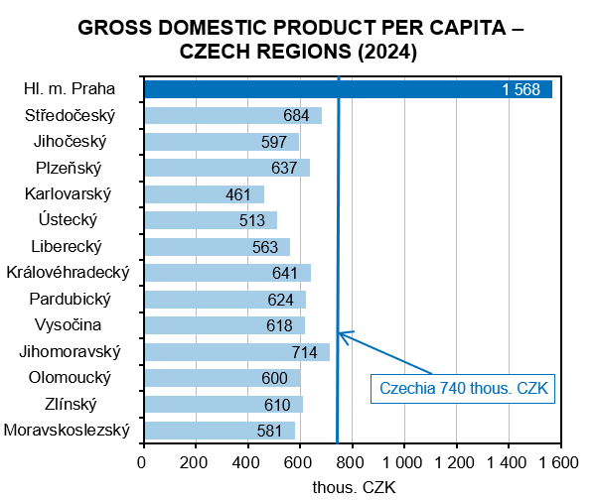

Source: Czech Statistical Office

34
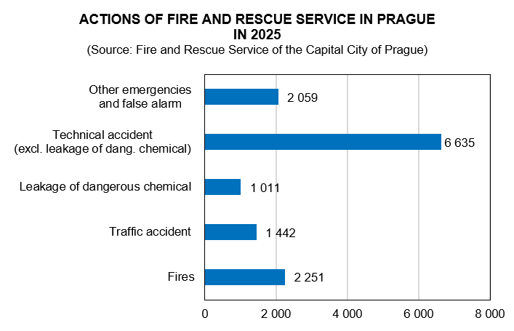
ZAMĚSTNANCI A MZDY V PRAZE A ČR 2019 podle místa pracoviště
CRIME, ACCIDENTS, FIRES 2025

Source: Police Headquarters of the CR, Fire and Rescue Service of the
Capital City of Prague |  | Preliminary data
 | Prague | Czechia
Registered criminal offences | 34,853 | 170,051
of which:
Economic crime | 2,648 | 12,302
General crime | 30,003 | 137,813
Robberies | 204 | 1,346
Burglaries in flats, multi-dwelling buildings | 695 | 3,142
Rapes | 210 | 1,086
Murders | 23 | 156
Criminal offences per 1 000 inhabitants | 24.9 | 15.6
Solved criminal offences | 9,344 | 76,827
Traffic accidents | 11,030 | 85,518
Under the influence of alcohol | 429 | 4,398
Killed persons | 15 | 421
Injured persons
Seriously | 167 | 1,647
Slightly | 2,228 | 25,013
Traffic accidents per 1 000 inhabitants | 7.9 | 7.9
Fires | 2,287 | 19,031
Killed persons | 14 | 113
Injured persons | 94 | 1,572
Fires per 1 000 inhabitants | 1.6 | 1.7

