32
ECONOMY 2024
Source: Czech Statistical Office
 | Prague | Czechia
Gross Domestic Product (GDP)
GDP in current prices (mil. CZK) | 2,175,296 | 8,058,158
GDP in current prices, CR=100 (%) | 27.0 | 100.0
GDP in current prices (mil. EUR) | 86,596 | 320,787
Gross Domestic Product, volume indices, Year 1995 = 100 (%) | 252.0 | 188.5
Gross Domestic Product, volume indices, Year 2000 = 100 (%) | 203.5 | 173.4
GDP per capita (CZK) | 1,567,946 | 740,195
GDP per capita, CR=100 (%) | 211.8 | 100.0
GDP per capita (EUR) | 62,418 | 29,466
GDP per capita in PPS | 76,693 | 36,205
GDP per capita in PPS, EU 27=100 (%) | 192.0 | 90.6
GDP per employee (CZK) | 2,661,730 | 1,725,907
GDP per employed person (CZK) | 2,087,488 | 1,478,331
Gross Value Added in current prices (mil. CZK) | 1,985,663 | 7,355,682
Disposable Income of Households
Disposable Income of Households, Net (mil. CZK) | 732,893 | 4,351,855
Disposable Income of Households per capita in CZK, Net | 528,267 | 399,747
Gross Fixed Capital Formation
Gross Fixed Capital Formation in current prices (mil. CZK) | 650,678 | 2,135,611
Gross Fixed Capital Formation per capita (CZK) | 469,006 | 196,170

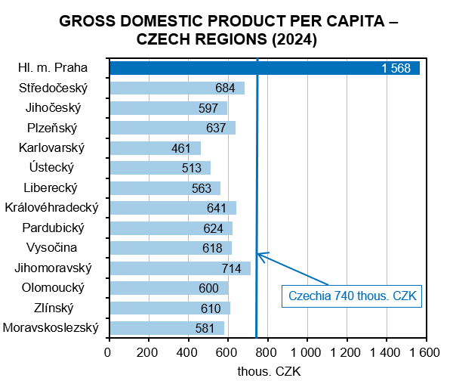

Source: Czech Statistical Office

