7
AGE DISTRIBUTION OF POPULATION, 31 DECEMBER 2025
 |  |  | Source: Czech Statistical Office
 | Males | Females | Total
Total | 687,003 | 720,081 | 1,407,084
0 - 4 | 32,897 | 31,292 | 64,189
5 - 9 | 36,988 | 35,328 | 72,316
10 - 14 | 37,368 | 35,550 | 72,918
15 - 19 | 43,076 | 37,451 | 80,527
20 - 24 | 39,709 | 37,818 | 77,527
25 - 29 | 39,059 | 39,010 | 78,069
30 - 34 | 51,059 | 49,365 | 100,424
35 - 39 | 56,442 | 55,275 | 111,717
40 - 44 | 55,863 | 55,927 | 111,790
45 - 49 | 61,439 | 60,688 | 122,127
50 - 54 | 53,538 | 53,265 | 106,803
55 - 59 | 38,498 | 39,674 | 78,172
60 - 64 | 35,082 | 37,593 | 72,675
65 - 69 | 28,059 | 33,073 | 61,132
70 - 74 | 28,789 | 37,929 | 66,718
75 - 79 | 24,524 | 36,121 | 60,645
80 - 84 | 15,474 | 25,475 | 40,949
85+ | 9,139 | 19,247 | 28,386
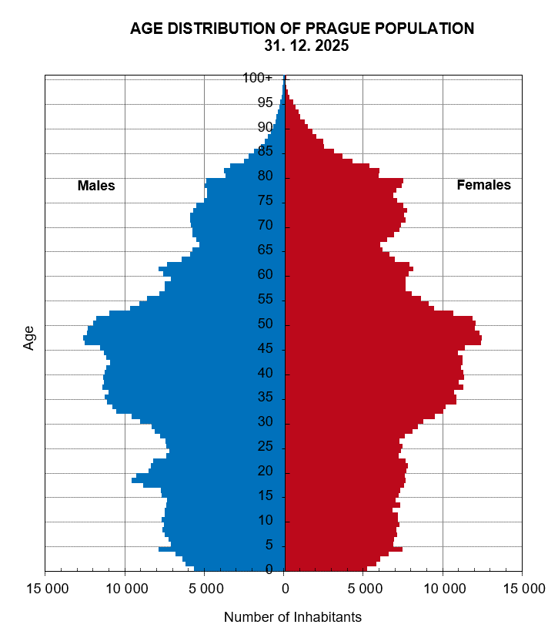

Source: Czech Statistical Office

