30
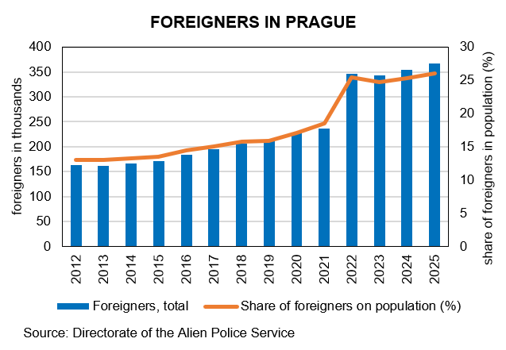
FOREIGNERS IN PRAGUE (31 DECEMBER)
Source: Directorate of the Alien Police Service
 | 2022 | 2025
Foreigners1) | 346,306 | 366,227
Males | 169,850 | 188,736
Females | 176,456 | 177,491
TOP 10 citizenships1)
Ukraine | 170,096 | 174,544
Slovakia | 31,470 | 33,459
Russian Federation | 27,355 | 23,911
Viet Nam | 15,175 | 16,287
United States | 6,484 | 7,834
China | 5,734 | 6,896
Kazakhstan | 5,818 | 6,788
India | 4,581 | 6,325
Romania | 5,619 | 6,110
Bulgaria | 5,005 | 4,965

Employed foreigners
Labour law relations of foreigners with the status of employees | 236,665 | 313,892
Foreigners holding valid trade licence | 46,540 | 62,829

1) Foreigners including persons with international protection + data for dependent territories

