10
POPULATION, DEATHS 2025

 |  |  |  | Source: Czech Statistical Office
 | Total | Males | Females | Infant deaths
Praha | 12,128 | 5,914 | 6,214 | 16
Praha 1 | 227 | 123 | 104 | -
Praha 2 | 376 | 191 | 185 | 1
Praha 3 | 708 | 322 | 386 | 1
Praha 4 | 1,539 | 691 | 848 | -
Praha 5 | 766 | 377 | 389 | 1
Praha 6 | 1,151 | 542 | 609 | 1
Praha 7 | 394 | 184 | 210 | -
Praha 8 | 1,262 | 634 | 628 | 3
Praha 9 | 534 | 263 | 271 | 2
Praha 10 | 1,271 | 602 | 669 | 1
Praha 11 | 909 | 480 | 429 | -
Praha 12 | 573 | 318 | 255 | 2
Praha 13 | 444 | 217 | 227 | 1
Praha 14 | 361 | 183 | 178 | 3
Praha 15 | 383 | 180 | 203 | -
Praha 16 | 242 | 124 | 118 | -
Praha 17 | 250 | 124 | 126 | -
Praha 18 | 231 | 107 | 124 | -
Praha 19 | 95 | 40 | 55 | -
Praha 20 | 145 | 72 | 73 | -
Praha 21 | 148 | 81 | 67 | -
Praha 22 | 119 | 59 | 60 | -

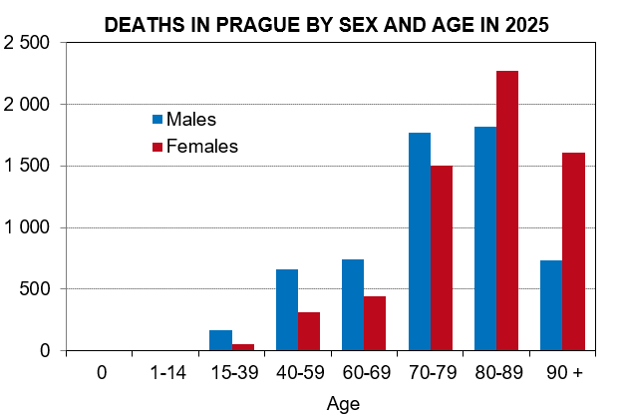

Source: Czech Statistical Office

