25
BUILDING PERMITS GRANTED, APPROXIMATE VALUE OF PERMITTED CONSTRUCTIONS 2025
preliminary |  |  | Source: Czech Statistical Office
 | Prague | Czech Republic1) | Share in the CR (%)

Building permits granted, total | 2,589 | 61,613 | 4.2
Buildings, total | 2,136 | 38,231 | 5.6
Residential buildings | 1,450 | 23,014 | 6.3
New construction | 266 | 10,607 | 2.5
Modification to completed buildings | 1,184 | 12,407 | 9.5
Non-residential buildings | 686 | 15,217 | 4.5
New construction | 97 | 6,701 | 1.4
Modification to completed buildings | 589 | 8,516 | 6.9
Civil engineering works | 453 | 23,382 | 1.9

Approximate value of permitted constructions (CZK mil.) | 60,169 | 503,335 | 12.0
Buildings, total | 52,448 | 345,662 | 15.2
Residential buildings | 32,882 | 180,491 | 18.2
New construction | 26,787 | 143,175 | 18.7
Modification to completed buildings | 6,095 | 37,316 | 16.3
Non-residential buildings | 19,566 | 165,171 | 11.8
New construction | 7,138 | 93,553 | 7.6
Modification to completed buildings | 12,428 | 71,618 | 17.4
Civil engineering works | 7,721 | 157,673 | 4.9

Average value per a building permit, (CZK thousand) | 23,240 | 8,169 | 284.5

1) Incl. other permits (not broken down by territory).
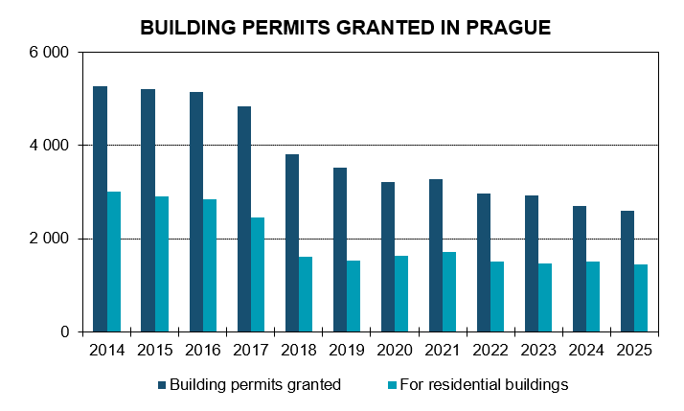

Source: Czech Statistical Office

