11
POPULATION, DIVORCES 2025
 |  |  |  |  |  | Source: Czech Statistical Office
 | Divorces, total | Plaintiff female | Divorces by number of minors
 |  |  | 0 | 1 | 2 | 3+
Praha | 2,345 | 244 | 1,084 | 627 | 541 | 93
Praha 1 | 54 | - | 25 | 16 | 10 | 3
Praha 2 | 96 | 14 | 44 | 28 | 20 | 4
Praha 3 | 136 | 9 | 69 | 43 | 23 | 1
Praha 4 | 221 | 34 | 112 | 54 | 45 | 10
Praha 5 | 170 | 13 | 70 | 43 | 46 | 11
Praha 6 | 181 | 5 | 81 | 42 | 47 | 11
Praha 7 | 106 | 6 | 65 | 20 | 18 | 3
Praha 8 | 239 | 21 | 116 | 68 | 47 | 8
Praha 9 | 111 | 13 | 51 | 31 | 26 | 3
Praha 10 | 179 | 19 | 87 | 53 | 34 | 5
Praha 11 | 139 | 20 | 70 | 32 | 31 | 6
Praha 12 | 129 | 13 | 59 | 37 | 28 | 5
Praha 13 | 124 | 13 | 57 | 35 | 28 | 4
Praha 14 | 59 | 12 | 23 | 15 | 20 | 1
Praha 15 | 83 | 6 | 29 | 25 | 25 | 4
Praha 16 | 53 | 7 | 19 | 15 | 16 | 3
Praha 17 | 70 | 4 | 32 | 17 | 20 | 1
Praha 18 | 66 | 12 | 22 | 22 | 20 | 2
Praha 19 | 29 | 7 | 12 | 8 | 7 | 2
Praha 20 | 32 | 5 | 14 | 9 | 9 | -
Praha 21 | 28 | 7 | 13 | 8 | 5 | 2
Praha 22 | 40 | 4 | 14 | 6 | 16 | 4

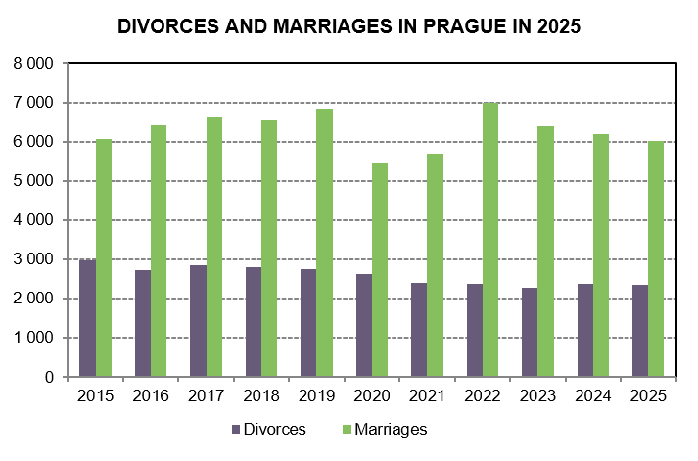

Source: Czech Statistical Office

