6
POPULATION PRAGUE 2025

 |  | Source: Czech Statistical Office
 | Males | Females
Population, 31 December 2025 | 687,003 | 720,081
By age:
0-14 | 107,253 | 102,170
15-64 | 473,765 | 466,066
65+ | 105,985 | 151,845
Average age (years) | 40.5 | 43.5
Marriages | 6,025
per 1 000 inhabitants | 4.3
Divorces | 2,345
per 1 000 inhabitants | 1.7
Live births | 5,658 | 5,288
per 1 000 inhabitants | 8.3 | 7.4
Deaths | 5,914 | 6,214
per 1 000 inhabitants | 8.7 | 8.7
Natural change | -256 | -926
per 1 000 inhabitants | -0.4 | -1.3
Immigrants | 31,326 | 26,106
per 1 000 inhabitants | 46.0 | 36.4
Emigrants | 23,229 | 23,817
per 1 000 inhabitants | 34.1 | 33.2
Net migration | 8,097 | 2,289
per 1 000 inhabitants | 11.9 | 3.2
Total population change | 7,841 | 1,363
per 1 000 inhabitants | 11.5 | 1.9

1) Recalculated on 1000 mid-year population (men and women total).
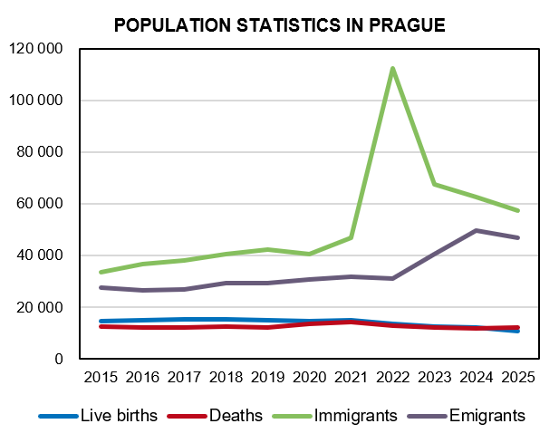

Source: Czech Statistical Office

