14
EMPLOYEES WAGE STRUCTURE 2025

Including businesses with up to 10 employees, sample survey.
Source: Ministry of Finance of the CR, Ministry of Labour and Social Affairs of the CR
 |  | Preliminary data
 | Prague | Czechia
Average gross monthly wages (CZK) | 65,594 | 52,202
Males | 74,099 | 57,142
Females | 56,744 | 46,545
Components of gross earnings (%):
Basic pay | 68.12 | 67.95
Premium and bonus pays | 14.35 | 14.69
Overtime pay | 0.44 | 0.53
Other differential and extra pays | 5.81 | 5.18
Reimbursment of pay | 10.96 | 11.36
Standby duty pay | 0.32 | 0.30
Median of gross monthly wages (CZK) | 52,793 | 44,337
Males | 58,440 | 47,648
Females | 48,740 | 41,068
Average monthly gross wages: by CZ-ISCO-08 major group
Managers | 148,435 | 113,226
Professionals | 85,870 | 74,208
Technicians and associate professionals | 60,142 | 55,209
Clerical support workers | 44,702 | 41,820
Service and sales workers | 39,663 | 36,452
Skilled agricultural, forestry and fishery workers | * | 37,152
Craft and related trades workers | 44,299 | 43,658
Plant and machine operators, and assemblers | 47,770 | 42,028
Elementary occupations | 29,740 | 30,667

* Figure is unreliable.
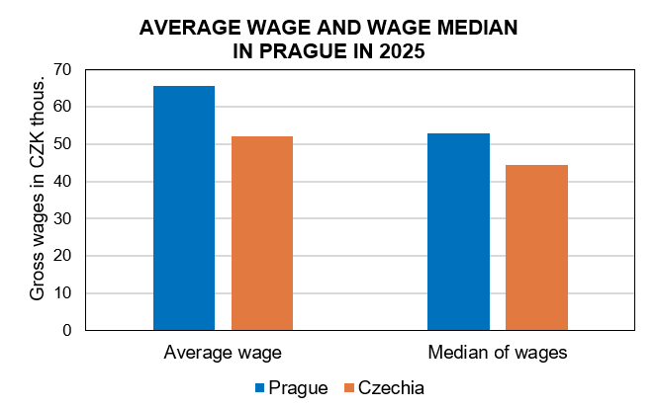

Source: Ministry of Finance of the CR, Ministry of Labour and Social Affaires in CR

