29
TOURISM IN PRAGUE 2025
 |  |  | Source: Czech Statistical Office
 | Number of establishments | Rooms | Beds
Capacity of collective accomodation establishments | 831 | 43,892 | 95,700
Hotels ***** | 52 | 7,140 | 14,466
Hotels, motels, botels **** | 281 | 20,166 | 42,318
Hotels, motels, botels *** | 179 | 8,976 | 19,917
Hotels, motels, botels ** | 14 | 440 | 961
Hotels, motels, botels * | 3 | 59 | 211
Hotels garni ****,***,**,* | 34 | 823 | 1,772
Boarding house | 98 | 1,289 | 3,094
Tourist camp-site | 19 | 206 | 612
Hostels | 53 | 1,419 | 4,521
Other establishments | 98 | 3,374 | 7,828

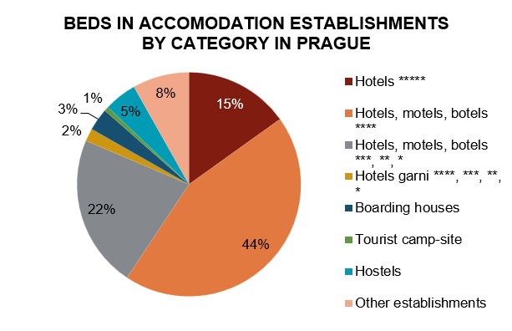

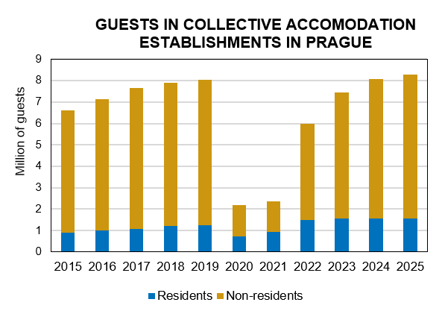

Source: Czech Statistical Office

