34
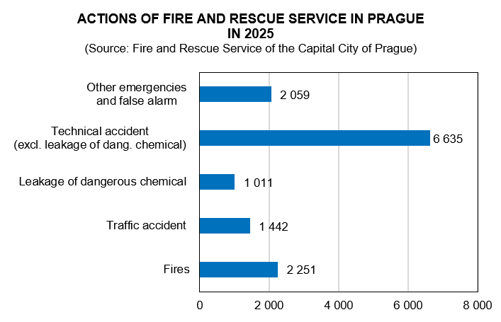
ZAMĚSTNANCI A MZDY V PRAZE A ČR 2019 podle místa pracoviště
CRIME, ACCIDENTS, FIRES 2025

Source: Police Headquarters of the CR, Fire and Rescue Service of the
Capital City of Prague |  | Preliminary data
 | Prague | Czechia
Registered criminal offences | 34,853 | 170,051
of which:
Economic crime | 2,648 | 12,302
General crime | 30,003 | 137,813
Robberies | 204 | 1,346
Burglaries in flats, multi-dwelling buildings | 695 | 3,142
Rapes | 210 | 1,086
Murders | 23 | 156
Criminal offences per 1 000 inhabitants | 24.9 | 15.6
Solved criminal offences | 9,344 | 76,827
Traffic accidents | 11,030 | 85,518
Under the influence of alcohol | 429 | 4,398
Killed persons | 15 | 421
Injured persons
Seriously | 167 | 1,647
Slightly | 2,228 | 25,013
Traffic accidents per 1 000 inhabitants | 7.9 | 7.9
Fires | 2,287 | 19,031
Killed persons | 14 | 113
Injured persons | 94 | 1,572
Fires per 1 000 inhabitants | 1.6 | 1.7

