26
HOUSING CONSTRUCTION 2025
by 22 administrative districts, preliminary data
 |  |  | Source: Czech Statistical Office
 | Dwellings by stage of construction
 | Dwellings started | Dwellings completed | Dwellings completed in new multi-dwelling buildings
Praha | 7,380 | 5,325 | 3,409
Praha 1 | 6 | 4 | -
Praha 2 | - | 71 | -
Praha 3 | 1,095 | 100 | 26
Praha 4 | 822 | 276 | 47
Praha 5 | 130 | 701 | 655
Praha 6 | 267 | 463 | 318
Praha 7 | 184 | 124 | 101
Praha 8 | 974 | 458 | 248
Praha 9 | 412 | 790 | 562
Praha 10 | 1,241 | 133 | 37
Praha 11 | 227 | 834 | 703
Praha 12 | 153 | 44 | -
Praha 13 | 455 | 345 | 305
Praha 14 | 198 | 191 | 74
Praha 15 | 298 | 328 | 131
Praha 16 | 109 | 38 | 7
Praha 17 | 27 | 48 | 32
Praha 18 | 260 | 187 | 148
Praha 19 | 228 | 63 | -
Praha 20 | 64 | 21 | -
Praha 21 | 49 | 36 | -
Praha 22 | 181 | 69 | 15

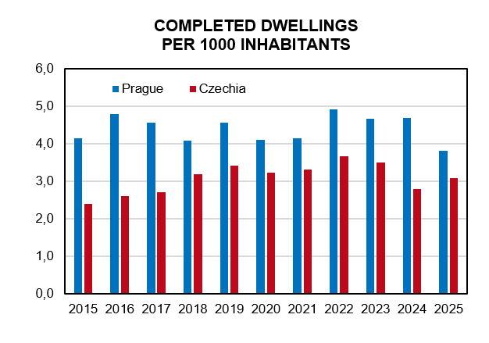

Source: Czech Statistical Office

