2
INTRODUCTORY WORD

Dear Users,
This first summary of statistical data for the Capital City of Prague* for 2025 is intended to be used by the widest possible public.

Data published in this booklet were obtained thanks to your willingness to answer questions of the Czech Statistical Office's surveys carried out in households, enterprises, or state institutions. Thank you for that. Data in an aggregated form are used by other users, yet also by those who were their originators, i.e. private enterprises, state institutions, and the public.
This year's edition again includes an infographic, which you can find in the middle of the publication. You will find graphs focused on Prague population in the same part of the publication. Graphical representation of demographic data of 3 biggest cities in Czechia (Prague, Brno, and Ostrava) is included.
Most of data is available on our web site:
http://www.csu.gov.cz/pha/capital-city-of-prague
If you need more data, or more detailed ones, please contact us.
Jana Podhorská
Head of the Information Services Unit
Regional Office of the Czech Statistical Office
in the Capital City of Prague
+420 274 052 673, +420 737 280 502
infoservispraha@csu.gov.cz

Administrative districts and city sections of Prague
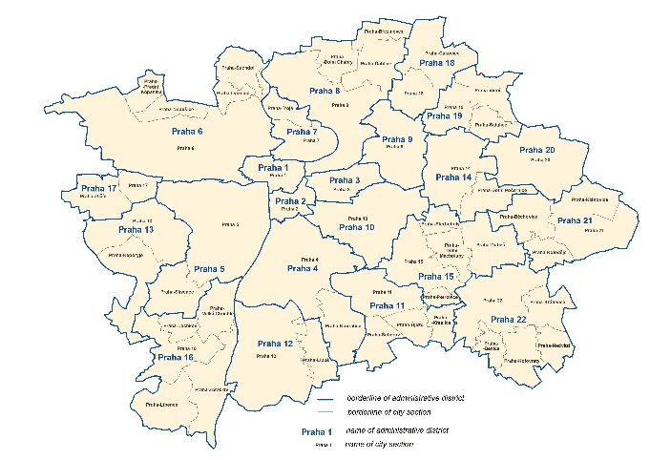

* We use "Praha" in tables.

