23
EDUCATION IN PRAGUE 2025/2026
 |  | Source: Ministry of Education, Youth, and Sports
 | Prague | Czechia
Nursery schools | 445 | 5,409
Classes | 2,009 | 17,513
Children | 40,809 | 347,798
Basic schools | 305 | 4,320
Classes | 5,700 | 52,482
Children | 121,333 | 1,002,916
Secondary schools | 207 | 1,328
Classes | 3,379 | 21,743
Children | 82,684 | 514,881
Conservatoires | 8 | 18
Children | 1,732 | 3,839
Higher professional schools | 35 | 153
Students | 5,796 | 22,900
Full-time studies | 4,020 | 13,931
Universities1) | 24 | 52
Faculties | 41 | 149
Students accoring to the place of study | 130,147 | 330,547
with Czech citizenship | 100,517 | 271,597
Students according to the place of permanent residence | 40,360 | 330,547
with Czech citizenship | 37,327 | 271,597

1) Public, private and state universities.

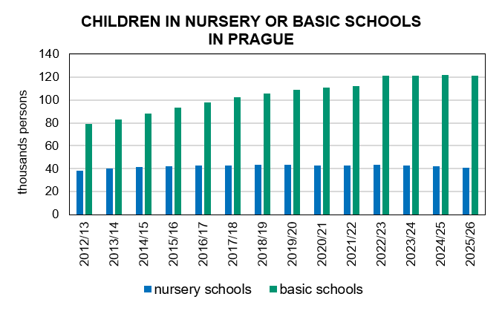

Source: Ministry of Education, Youth, and Sports

